M1_Small talk and active listen
Speaker 1 | Speaker 2 | Checking if everyone's on the call / Getting down to business
 |  | Do we have [name] on the call? / Who else do we have on the call?
Greetings and small talk questions |  | Alright, let's start [shall we?]
How are you? | Pretty good, thanks. How are you doing? | Ok, let's get started.
How are you doing today? | We're doing really well, thank you. How about you? Doing good. How are you? | Ok, let's kick off.
What's up? | Nothing much, actually. How are you?
What's new (with you)? | Not a lot, actually. Looking forward to my vacation. What's new with you?
How's it going? | Fine/well, thanks. Having a good week. How are you doing?
How's your day going? | It's going fine. It's not as busy as usual. And yours?
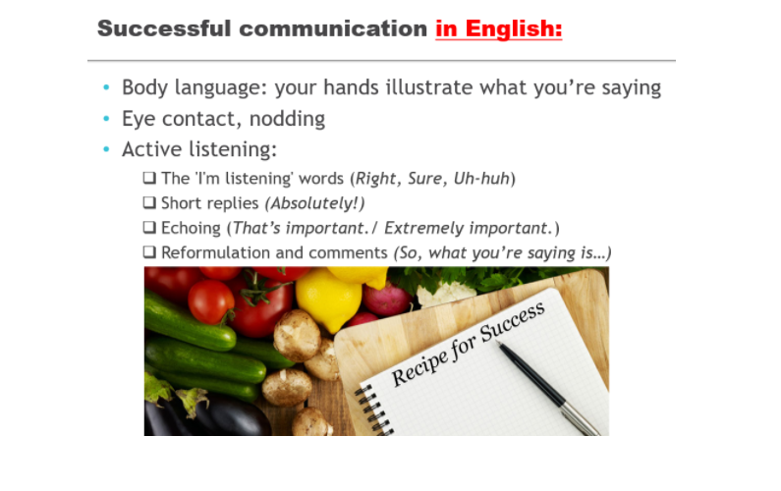
How's your day been so far? | Pretty good, thanks. And yours?
What have you been up to? | Well, I've been pretty busy lately. Some of my teammates went on sick leave, so I've been working quite a lot over the last few days.

Weekend
So, did you have a good weekend? | Yes, it was fine. Just relaxed with family and friends. What about you?
So, did you do anything interesting last weekend? | Well, I went to the cinema - I wanted to see the new... film. Have you watched it?
What are your plans for the upcoming weekend? | I'm gonna catch up on my sleep. What about you?

Weather
How’s the weather over there? | Well, it's rather nice, a bit cold but sunny. What's the weather like in...?
I hear the weather has been bad in [place] recently. | That's right. It has been raining for three days in a row. Does it often rain where you are?

Vacation
How was your vacation? | Awesome/ great. I spent two weeks at the seaside...
Did you go somewhere exciting? | No, unfortunately. I wanted to...
Have you made any plans for your next vacation? | Yes, we're going to... Have you ever been there?

